Reference 4 - MYCA Form
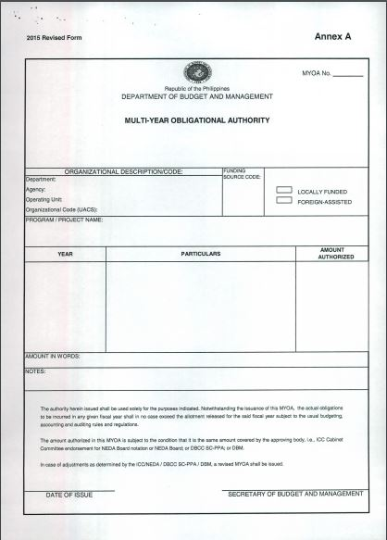
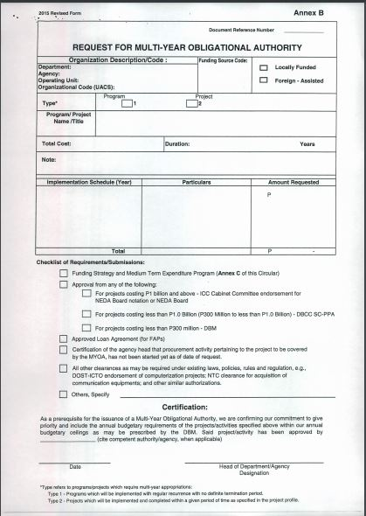
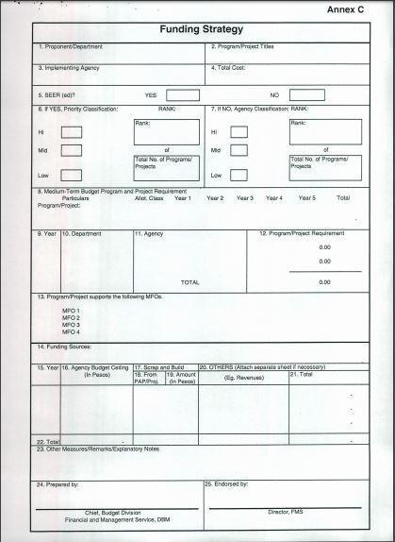
Disclaimer: The Multi-Year Contracting Authority (formerly Multi-Year Obligational Authority) is a document issued by DBM either for locally funded projects or foreign assisted projects implemented by agencies in order to authorize the latter to enter into multi-year contracts for the full project cost. For guidelines on securing MYCA from the DBM, please refer to DBM Circular Letter No. 2015-7 dated 3 June 2015. In the case of GOCCs and LGUs whose fund sources are not covered by the GAA, an equivalent document shall be issued to pursue any Multi-Year Project. Any question or clarification regarding the form shall be directed to the appropriate agency.

